Table 1

Selected Acquisition Report (SAR)
RCS: DD-A&T(Q&A)823-471

Armored Multi-Purpose Vehicle (AMPV)
As of FY 2017 President's Budget
Defense Acquisition Management Information Retrieval
(DAMIR)

Table 10
Schedule
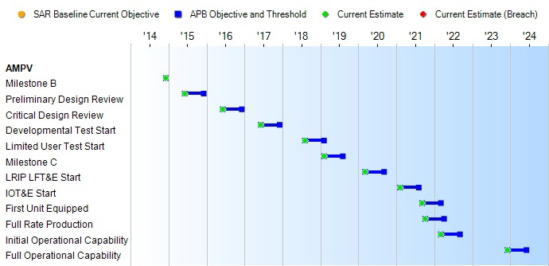
None
Schedule Events
Events | SAR Baseline Development Estimate | Current APB Development Objective/Threshold |  | Current Estimate
Milestone B | Dec 2014 | Dec 2014 | Dec 2014 | Dec 2014
Preliminary Design Review | Jun 2015 | Jun 2015 | Dec 2015 | Jun 2015
Critical Design Review | Jun 2016 | Jun 2016 | Dec 2016 | Jun 2016
Developmental Test Start | Jun 2017 | Jun 2017 | Dec 2017 | Jun 2017
Limited User Test Start | Aug 2018 | Aug 2018 | Feb 2019 | Aug 2018
Milestone C | Feb 2019 | Feb 2019 | Aug 2019 | Feb 2019
LRIP LFT&E Start | Mar 2020 | Mar 2020 | Sep 2020 | Mar 2020
IOT&E Start | Feb 2021 | Feb 2021 | Aug 2021 | Feb 2021
First Unit Equipped | Sep 2021 | Sep 2021 | Mar 2022 | Sep 2021
Full Rate Production | Oct 2021 | Oct 2021 | Apr 2022 | Oct 2021
Initial Operational Capability | Mar 2022 | Mar 2022 | Sep 2022 | Mar 2022
Full Operational Capability | Dec 2023 | Dec 2023 | Jun 2024 | Dec 2023
Change Explanations

Table 29
Unit Cost History
Item |  |  |  |  | Date |  |  | BY 2015 $M |  |  |  |  | TY $M
 |  |  |  |  |  |  |  | PAUC |  | APUC |  |  | PAUC |  |  | APUC

Original APB |  |  | May 2015 |  |  |  |  | 3.653 |  |  | 3.361 |  |  | 4.750 |  |  | 4.443
APB as of January 2006 |  |  | N/A |  |  |  |  | N/A |  |  | N/A |  |  | N/A |  |  | N/A
Revised Original APB |  |  | N/A |  |  |  |  | N/A |  |  | N/A |  |  | N/A |  |  | N/A
Prior APB |  |  | N/A |  |  |  |  | N/A |  |  | N/A |  |  | N/A |  |  | N/A
Current APB |  |  | May 2015 |  |  |  |  | 3.653 |  |  | 3.361 |  |  | 4.750 |  |  | 4.443
Prior Annual SAR |  |  | N/A |  |  |  |  | N/A |  |  | N/A |  |  | N/A |  |  | N/A
Current Estimate |  |  | Dec 2015 |  |  |  |  | 3.661 |  |  | 3.361 |  |  | 4.715 |  |  | 4.405
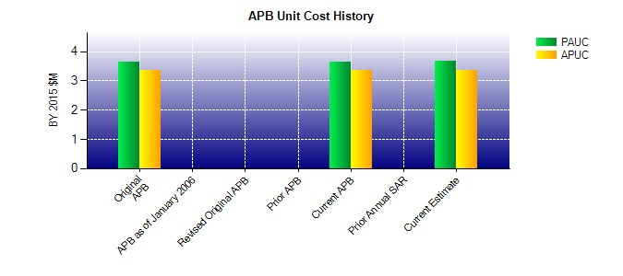
SAR Unit Cost History
Current SAR Baseline to Current Estimate (TY $M)
Initial PAUC Development Estimate | Changes |  |  |  |  |  |  |  |  |  |  |  |  |  | PAUC Current Estimate
 | Econ | Qty |  | Sch |  | Eng | Est |  | Oth | Spt |  | Total
4.750 -0.044 0.000 0.000 0.000 0.009 0.000 0.000 -0.035 4.715
Current SAR Baseline to Current Estimate (TY $M)
Initial APUC Development Estimate | Changes |  |  |  |  |  |  |  |  |  |  |  |  |  | APUC Current Estimate
 | Econ | Qty |  | Sch |  | Eng | Est |  | Oth | Spt |  | Total
4.443 -0.038 0.000 0.000 0.000 0.000 0.000 0.000 -0.038 4.405

